Dashboard
OPTI CONNECT SOLUTIONS ANALYSIS

Total Calls
1772
Call<180 Sec
563
Satisfaction Overall
1455
% of Calls<180 Sec
32%
Satisfaction >=3
724
Calls Answered
1455
Avg Speed of Answer
55.19
Abandon Rate
18%
Avg Call/Min
3.09
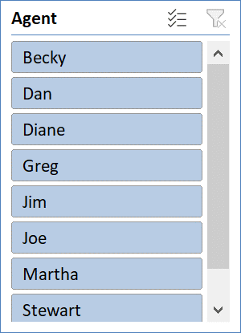

Department Wise Calls
 | Total
Air Conditioner | 362
Fridge | 325
Television | 382
Toaster | 360
Washing Machine | 343
Avg Answer Speed
 | Total
Becky | 52.731481481
Dan | 56.039647577
Diane | 53.279279279
Greg | 55.889423077
Jim | 54.675438596
Joe | 59.886877828
Martha | 55.540909091
Stewart | 53.569565217
Avg Satifaction by Agent
 | Total
Becky | 2.7731481481
Dan | 2.9207048458
Diane | 2.8558558559
Greg | 2.9326923077
Jim | 2.8157894737
Joe | 2.8235294118
Martha | 2.7545454545
Stewart | 2.8173913043

 | N | Y
Air Conditioner | 110 | 252
Fridge | 83 | 242
Television | 95 | 287
Toaster | 86 | 274
Washing Machine | 87 | 256
 | N | Y
Becky | 62 | 154
Dan | 50 | 177
Diane | 54 | 168
Greg | 53 | 155
Jim | 55 | 173
Joe | 52 | 169
Martha | 68 | 152
Stewart | 67 | 163
Satisfaction by Avg Time
 | Total
0 | 0
1 | 3.8338797521
2 | 3.9132028539
3 | 3.8189702042
4 | 3.6139414044
5 | 3.8064

Department Wise Calls
Department Wise Calls
Row Labels | Count of Call Id
Air Conditioner | 362
Fridge | 325
Television | 382
Toaster | 360
Washing Machine | 343
Grand Total | 1772

Call Resolved Department Wise
Count of Resolved | Column Labels
Row Labels | N | Y | Grand Total
Air Conditioner | 110 | 252 | 362
Fridge | 83 | 242 | 325
Television | 95 | 287 | 382
Toaster | 86 | 274 | 360
Washing Machine | 87 | 256 | 343
Grand Total | 461 | 1311 | 1772

Avg Answer Speed
Avg Answer Speed
Row Labels | Average of Speed of Answer
Becky | 52.731481481
Dan | 56.039647577
Diane | 53.279279279
Greg | 55.889423077
Jim | 54.675438596
Joe | 59.886877828
Martha | 55.540909091
Stewart | 53.569565217
Grand Total | 55.19469526

Call Resolved Vs Unresolved
Count of Resolved | Column Labels
Row Labels | N | Y | Grand Total
Becky | 62 | 154 | 216
Dan | 50 | 177 | 227
Diane | 54 | 168 | 222
Greg | 53 | 155 | 208
Jim | 55 | 173 | 228
Joe | 52 | 169 | 221
Martha | 68 | 152 | 220
Stewart | 67 | 163 | 230
Grand Total | 461 | 1311 | 1772

Avg Satisfaction by Agent
Avg Satifaction by Agent
Row Labels | Average of Satisfaction rating
Becky | 2.7731481481
Dan | 2.9207048458
Diane | 2.8558558559
Greg | 2.9326923077
Jim | 2.8157894737
Joe | 2.8235294118
Martha | 2.7545454545
Stewart | 2.8173913043
Grand Total | 2.8363431151

Satisfaction by Avg Time Taken
Satisfaction by Avg Time
Row Labels | Average of Total min
0 | 0
1 | 3.8338797521
2 | 3.9132028539
3 | 3.8189702042
4 | 3.6139414044
5 | 3.8064
Grand Total | 3.0945200056

